1. Title Page
Instacart Data Marketing Analysis

Project Name: Instacart Marketing Analysis
Date: September 27, 2023
Analyst Name: Dan McCormick

Contents:
Data Citation
Population Flow
Consistency checks
Wrangling steps
Column derivations
Visualizations
Recommendations

2. Data Citation
Data Citation

“The Instacart Online Grocery Shopping Dataset 2017”, Accessed from www.instacart.com/datasets/grocery-shopping-2017 via Kaggle on September 22, 2023.

3. Population Flow
Title page

Population flow

Exclusion flag
Condition: max_order < 5
Obervations to be removed: 1440295
Final total count of order_products_all: 30964564

Orders_products_combined
Orders_products_merged
Orders_products_all

Total: 32404859
Total: 32434489
Total: 32404859

1.) The grey boxes in the first row of the population flow represent the original data sets as they were when you downloaded them. In the Total fields you need to add the count of the rows when you imported the data set into Jupyter.
2.) The second row of boxes (coloured) represents the data sets after you manipulated them, e.g., removed missing values and duplicates. In the Total fields you need to add the count of the rows after conducting these operations. This offers a visual overview of how the data flows throughout the data consistency checks.
3.) The third row, where also the arrows are coloured, represents the merges you performed between the datasets. In the Total fields you need to add the count of the rows in the merged datasets, so that you end up with the final dataset (in the red box). Keep in mind the final dataset should be without exclusions (based on the exclusion flag).

4. Consistency checks
 |  |  |  | Title page
Consistency checks

Dataset | Missing values | Missing values/Duplicates treatment | Duplicates
orders | 206209 missing (NaN) values in the "days_since_prior_order" column. | Since it is impossible for there to be any days since prior order for a user's first order, it makes sense to keep the NaN values in the data set. | NA
products | 16 missing values in the "product_name" column. | Remove the 16 rows with missing product_names from the data set. | NA
products | NA | Used drop_duplicates() function to remove the five duplicated rows. | 5 full duplicate rows found in the dataframe.

5. Wrangling steps
 |  |  |  |  | Title page
Wrangling steps

Columns dropped | Columns renamed | Columns' type changed | Other Wrangling Steps | Comment/Reason
Orders dataframe "eval_set" | NA | NA | NA | Inidcates that the dataset was the "prior" one released by instacart. Unecessary to include in the final data set so this column was dropped.
NA | Orders dataframe "order_dow" to "order_day_of_week" | NA | NA | Make it more clear that the column contains the day of the week for each order. DOW could be confusing to some people.
NA | NA | Orders dataframe "order_id" changed to data type "str" |  | Changing the order_id column to a string data type in order to exclude it from the describe() function for the orders dataframe.
NA | NA | NA | Importing, transposing, reformatting, and re-indexing the "deparments" data set | Imported the departments data set to be able to determine which department_id went with each department name. Had to transpose, update the column titles, and re-index the data set to get it into a usable format for analysis.
NA | NA | Orders dataframe "user_id" changed to data type "str" | NA | Changing the user_id column to a string data type in order to exclude it from the describe() function for the orders dataframe.
NA | Orders dataframe "order_number" to "user_order_count" | NA | NA | Renaming the "order_number" column to "user_order_count" because it makes it more clear that it is a running count of the orders associated with each individual user, rather than a running total of orders.
NA | NA | NA | Ords_prods_merge data set, replacing any values in the "prices" column that were over 100 with NaN | There were 5127 rows with a value for price over 100 which was skewing the data visualizatinos for the full data set. So setting those price values to NaN fixes this issue. Script: ords_prods_merge.loc[ords_prods_merge['prices'] > 100, 'prices'] = np.nan
Customers data frame "First Name" & "Surnam" | NA | NA | NA | Since we will be joining the customer data to the main instacart data on the user_id column, there is no need to include the columns with each customer's first and last name.
NA | Customer dataframe "Gender" to "user_gender" | NA | NA | Renaming the column to be more standardized and to be specific about it referring to the user to avoid confusion.
NA | Customer dataframe "STATE" to "user_state" | NA | NA | Renaming the column to be more standardized and to be specific about it referring to the user to avoid confusion.
NA | Customer dataframe "Age" to "user_age" | NA | NA | Renaming the column to be more standardized and to be specific about it referring to the user to avoid confusion.
NA | Customer dataframe 'date_joined" to "user_date_joined" | NA | NA | Renaming the column to be more standardized and to be specific about it referring to the user to avoid confusion.
NA | Customer dataframe 'n_dependents" to "user_num_dependents" | NA | NA | Renaming the column to be more standardized and to be specific about it referring to the user to avoid confusion.
NA | Customer dataframe "fam_status" to "user_marriage_stat" | NA | NA | Renaming the column to be more standardized and to be specific about it referring to the user to avoid confusion.
NA | Customer dataframe "income" to "user_income" | NA | NA | Renaming the column to be more standardized and to be specific about it referring to the user to avoid confusion.
NA | NA | Customers data frame update "user_id" to data type str | NA | Updating the user_id column to type str to exclude it from the .describe() function results on the customers data set.
NA | NA | Ords_prods_merge data set update 'user_id" to data type str | NA | Updating the user_id column to data type str so that the user_id column is type str in both the ords_prods_merge dataframe and the customers dataframe

6. Column derivations
 |  |  |  | Title page

Column derivations and aggregations

In this tab you should add tables below that the frequences of flags/label variables that you produced after deriving them. NB: don't do this for continuous variables, only for flags.
Dataset | New column | Column/s it was derived from | Conditions
Orders_products_merged | price_label | prices column | If price is <= 5 then "Low-range product", else if price is >5 and <=15 then 'Mid-range product',else if price is >15 then "High Range", else "Not enough Data"
Orders_products_merged | busiest_day | orders_day_of_week | If orders_day_of_week = 0 then "Busiest day", else if orders_day_of_week = 4 then "Least busy", else "Regularly busy"
Orders_products_merged | busiest_days | orders_day_of_week | If orders_day_of_week = [0,1] then "Busiest day", else if orders_day_of_week = [3,4] then "Least busy", else "Regularly busy"
Orders_products_merged | busiest_period_of_day | order_hour_of_day | If order_hour_of_day = [10,11,14,15] then "Most Orders", else if order_hour_of_day = [2,3,4,5] then "Fewest Orders", else "Average Orders"
Orders_products_merged | max_order | user_id & user_order_count | Group by each user_id and then take the maximum value in the user_order_count column for each user_id. Gives you the total number of orders associated with each user_id. Script: ords_prods_merge['max_order'] = ords_prods_merge.groupby(['user_id'])['order_number'].transform(np.max)
Orders_products_merged | loyalty_Flag | max_order | If a user's max_order is >40 then "Loyal customer", else if a user's max_order is <= 40 or >10 then "Regular customer", else if a user's max_order is <= 10 then "New customer"
Orders_products_merged | user_avg_price | user_id & prices | Group by each user_id and then take the average value in the prices column for each user_id. Gives you the average prices the user pays across their orders. Script: ords_prods_merge['user_avg_price'] = ords_prods_merge.groupby(['user_id'])['prices'].transform(np.mean)
Orders_products_merged | spending_flag | user_avg_price | If a user's user_avg_price is > 10 then "High Spender", else if a user's user_avg_price <=10 then "Low Spender"
Orders_products_merged | user_med_days_since_order | user_id & days_since_prior_order | Group by each user_id and then take the median value in the days_since_prior_order column for each user_id. Gives you the median of the amount of days between each of the user's orders. Script: ords_prods_merge['user_med_days_since_order'] = ords_prods_merge.groupby(['user_id'])['days_since_prior_order'].transform(np.median)
Orders_products_merged | frequency_flag | user_med_days_since_order | If a user's user_med_days_since_order is > 20 then "Non-frequent customer", else if a user's user_med_days_since_order is <=20 and > 10, then "Regular Customer", else if a user's user_med_days_since_order is <=10 then "Frequent Customer"
orders_products_all | user_region | user_state | if user in ['Maine', 'New Hampshire', 'Vermont', 'Massachusetts', 'Rhode Island', 'Connecticut', 'New York', 'Pennsylvania', 'New Jersey'] then "Northeast", else is user in ['Wisconsin', 'Michigan', 'Illinois', 'Indiana', 'Ohio', 'North Dakota', 'South Dakota', 'Nebraska', 'Kansas', 'Minnesota', 'Iowa', 'Missouri'] then "Midwest" else if user in ['Delaware', 'Maryland', 'District of Columbia', 'Virginia', 'West Virginia', 'North Carolina', 'South Carolina', 'Georgia', 'Florida', 'Kentucky', 'Tennessee', 'Mississippi', 'Alabama', 'Oklahoma', 'Texas', 'Arkansas', 'Louisiana'] then "South", else user in "West"
orders_products_all | volume_flag | max_order | If user's max_order >=5 then "High Volume", if user's max_order <5 then "Low Volume"
orders_products_all | user_profile, | user_num_dependents, user_income, user_age | Sorted users into 12 profile groups using three variables. If they have dependents or not, if their income is below $50k, between $50k-100k, or above $100k, and if they are under 30, between 30-45, or over 45 years old.
orders_products_all | parent_status | user_num_dependents | If a user's number of dependents >=1 then parent, else not parent.
orders_products_all | user_income_group | user_income | If a user's income <=$50k then low income, else if user's income >$50k and <100k then middle income, else if user income >=$100k then high income.
orders_products_all | user_age_group | user_age | If a user's age <=30 then young, else if user's age >30 and <45 then middle aged, else if user age >=45 then older.

 | price_label
Mid-range product | 21860860
Low-range product | 10126321
High-range product | 417678

 | orders_day_of_week
0 | 6204182
1 | 5660230
6 | 4496490
2 | 4213830
5 | 4205791
3 | 3840534
4 | 3783802

 | busiest_day
Regularly busy | 22416875
Busiest day | 6204182
Least busy | 3783802

 | busiest_days
Normal Busyness Days | 12916111
Busier Days | 11864412
Less Busy Days | 7624336

 | order_hour_of_day
10 | 2761760
11 | 2736140
14 | 2689136
15 | 2662144
13 | 2660954
12 | 2618532
16 | 2535202
9 | 2454203
17 | 2087654
8 | 1718118
18 | 1636502
19 | 1258305
20 | 976156
7 | 891054
21 | 795637
22 | 634225
23 | 402316
6 | 290493
0 | 218769
1 | 115700
5 | 87961
2 | 69375
4 | 53242
3 | 51281

 | busiest_period_of_day
Average Orders | 21293820
Most Orders | 10849180
Fewest Orders | 261859

 | loyalty_flag
Regular Customer | 15876776
Loyal Customer | 10284093
New Customer | 6243990

 | spending_flag
Low Spender | 31770995
High Spender | 633864

 | frequency_flag
Frequent customer | 21559853
Regular customer | 7208564
Non-frequent customer | 3636437
NaN | 5

 | user_region
Midwest | 7,597,325
Northeast | 5,722,736
South | 10,791,885
West | 8,292,913

 | volume_flag
High Volume | 30,964,564
Low Volume | 1,440,295

 | user_profile
High Income Childless Adult | 17535
High Income Middle Aged Parent | 5462
High Income Older Parent | 46401
High Income Young Parent | 683
Low Income Childless Adult | 6348
Low Income Middle Aged Parent | 4926
Low Income Older Parent | 8776
Low Income Young Parent | 5142
Middle Income Childless Adult | 16844
Middle Income Middle Aged Parent | 16056
Middle Income Older Parent | 15640
Middle Income Young Parent | 18818

 | parent_status
Childless Total | 40727
Parent Total | 121904

 | user_income_group
Low Income Total | 25192
Middle Income Total | 67358
High Income Total | 70081

 | user_age_group
Young | 33006
Middle Aged | 37990
Older | 91635

7. Visualizations
 |  |  | Title page

Visualisations

In this tab you should include all the visualtions from Exercises 4.9 and 4.10, alongside the questions from the project brief that they answer. Include any commentary on the relationship between different variables.

Bar chart of amount of items purchased in each pricing group
Items Purchased in Each Pricing Group
 | price_label
Mid-range product | 21860860
Low-range product | 10126321
High-range product | 417678

In the analysis we created a "price_label" flag that divides items into three groups. "Low-range product" for items $5 or less, "Mid-range product" for items more than $5 but less than or equal to $15, and "High-range products" for items over $15. From the bar chart you can see that mid-range products were purchased the most followed by low-range products. Then only a small amount of high range products were purchased.

Bar chart of the frequency_flag column
Frequency Flag Bar Chart
 | frequency_flag
Frequent customer | 21559853
Regular customer | 7208564
Non-frequent customer | 3636437

In the analysis we created a column that provided the median of the "days since prior order" column for each user. This variable was then used to create a frequency_flag for each user. If a user's median days since prior order was great than 20 then they were a "Non-frequent customer", if their median days since prior order was less than or equal to 20 and greater than 10 then they were a "Regular customer", and if their median days since prior order was less than or equal to 10 then they were a "frequent customer". When creating a frequency table of the frequency_flag, the frequent customer flag was the most common, followed by regular customer, followed by non-frequent customer. This makes sense as there is a row for each of a user's orders in the data set, so frequent customers would most likely have more orders and thus a higher count of the frequency_flag associated with that user.

Bar chart of orders by department

Orders by Department
 | orders
produce | 9479291
dairy eggs | 5398747
snacks | 2887550
beverages | 2688123
frozen | 2234743
pantry | 1875369
bakery | 1172428
canned goods | 1068058
deli | 1051249
dry goods pasta | 866627
household | 738666
meat seafood | 708927
breakfast | 703033
personal care | 447572
babies | 423802
international | 269253
alcohol | 153696
pets | 97716
missing | 69145
other | 36291
bulk | 34573

Based on a frequency count of orders by department, the most popular departments are product, dairy eggs, snacks, beverages, and frozen. The least popular departments are alcohol, pet, missing/NA, other, and bulk.

Bar chart of orders by order_day_of_week


 | Day of the Week
 | 0 | Sunday
 | 1 | Monday
 | 2 | Tuesday
 | 3 | Wednesday
 | 4 | Thursday
 | 5 | Friday
 | 6 | Saturday

Based on the bar chart the biggest days for orders are 0 and 6 (Saturday & Sunday) an the least are 3 and 4 (Wednesday & Thursday)

Histogram of the frequency of different prices across the orders in the data set (25 buckets)



The histogram has a right skew, which indicates that most of the items in the data set are priced on the lower end, between $0-$15 with a few items between $15-$25

Histogram of the frequency of different prices across the orders in the data set (70 buckets)


Line chart of the development of prices across the 7 days of the week (created with a randomized subset of 30% of the total instacart data set)
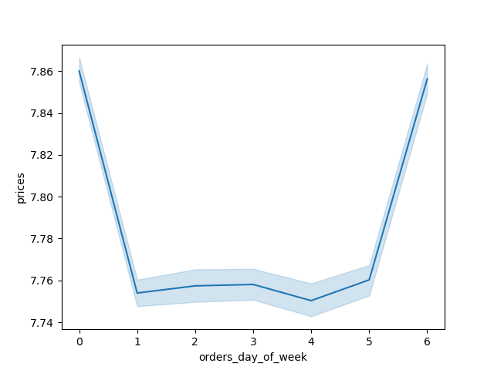

 | Day of the Week
 | 0 | Sunday
 | 1 | Monday
 | 2 | Tuesday
 | 3 | Wednesday
 | 4 | Thursday
 | 5 | Friday
 | 6 | Saturday

The line chart shows that prices are highest on days 0 and 6, meaning most money is spent on the weekends. The prices are fairly consistent across the weekdays 1-5.

Histogram of the frequency of orders in each hour of the day


The Histogram is not quite normally distributed, but it does have a rough normal distribution shape to it. The hours of the day that see the highest frequency of orders are clustered roughly in the middle of the 24 hour day from 9am-3pm. This means the highest amount of orders are occurring during lunch time each day. The frequency of orders does decrease on either side of the middle hours of the day like they would in a normal distribution. But the decrease in frequency of orders is much more gradual for hours 15-24 as compared to hours 0-8. This means that the histogram has a bit of a left skew, and let's us know that the later hours of the day, around dinner time and then in the evening afterwards, see higher frequency of orders than the first 8 hours of the day. This makes sense as from around 12am-8am most people are sleeping and not ordering food.

Bar chart that counts occurrences of each loyalty_flag
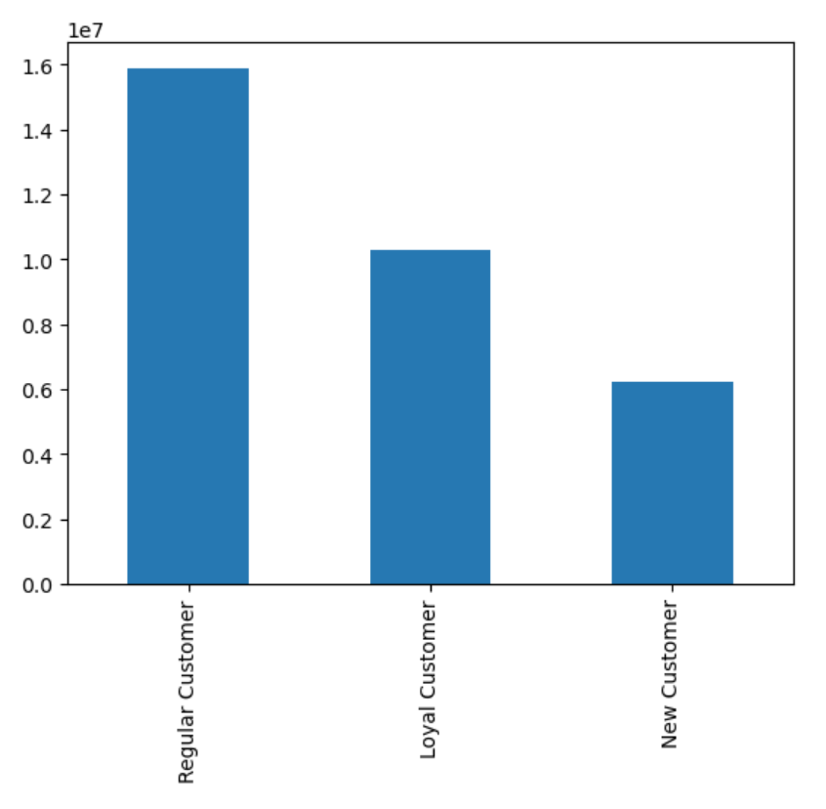

Line chart that plots relationship between the hour of the day for the order and the prices paid for goods in that order

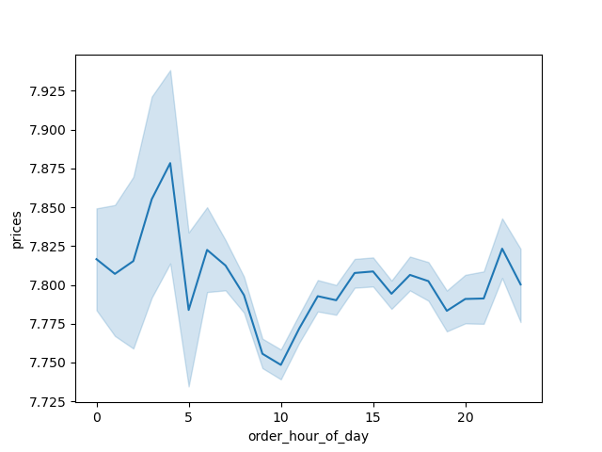

It seems as though the highest prices are paid for items around hours 0-5, which would be midnight-5am. They then gradually decrease until around 10am, and then increase again and flatten our for the remainder of the day. Users seem to be buying more expensive items when doing late night shopping, and cheaper items during the early morning.

Line chart that plots relationship between a user's age and their number of dependents
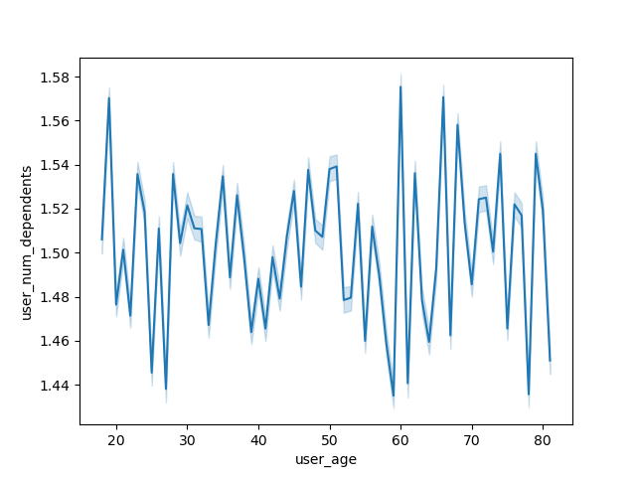

Based on the results of the line chart, there does not appear to be able clear relationship between age and number of dependents. As age increases the number of dependents both increases and decreases with no clear pattern. This would inidicate to the marketing team that older customers do not necessarily have more dependents to shop for. It would not make sense then to have marketing on a channel that is used mostly by older customers that focuses solely on using instacart to order groceries for the customer's family, for example.

Scatterplot that explores relationship between user age and income
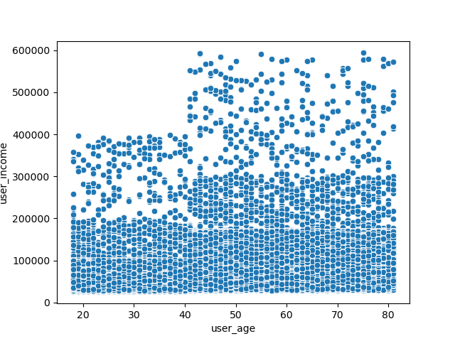

Based on the results of the scatter plot it looks as though the there is a positive relationship between age and income. It is not a perfect relationship, but in general it seems that as users get older there income tends to increase. There are a significant number of users at all ages with incomes from around $30k-$190k. But once you get up to about $200k and above, there are definitely more customers in the above 40 age group than the under 40 with that income. Once you go above $400k, what marketing might refer to as ultra high income users, there are zero customers under 40 with that income, but a decent amount of those over 40 with that income. This means that older customers (over 40 years old) have significnatly more spending power than younger customers. This could be used to inform marketing strategy. For example, if a marketing channel is more targeted to older customers then you could focus the campaign on higher priced, luxury items. If it is a campaign on a marketing channel more targeted towards younger customers, then the campagin could highlight promotions and other ways that customers can gain significant value from using instacart.

Line chart that plots relationship between a user's age and their number of orders.
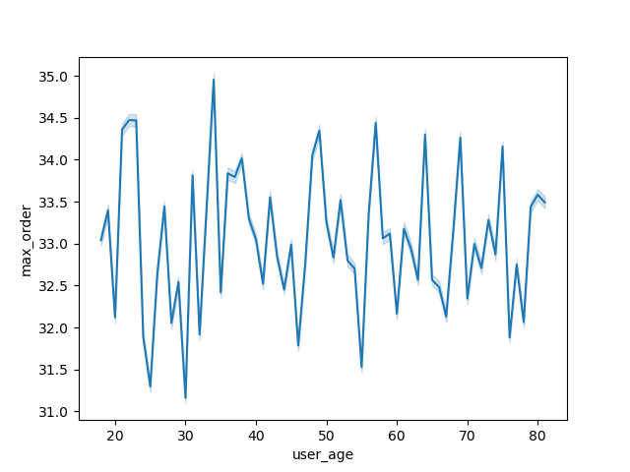

Based on the results of the line chart, when looking at a user's age and their number of orders, there does not appear to be a strong relationship between the two variables.

Bar chart made from crosstab of users in each spending flag group and region

Spending Flag by Region
 | High Spender | Low Spender
Midwest | 155932 | 7441393
Northeast | 108180 | 5614556
South | 209481 | 10582404
West | 160271 | 8132642

It appears as though the make up of each region is mostly consistent, with a significant majority of the users in each reach classified as "low spenders". It also seems as though the order of total users in the regions is South, then West, then Midwest, and then Northeast.

Bar chart to show the distribution of users across the 12 different user_profiles
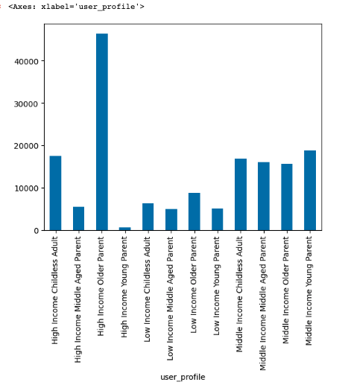

Based on the count of unique values and the bar chart above, the most common user_profile in our data set is high income older parent. Meaning someone with at least one dependent who makes over $100k per year and who is 45 or older. The least common profile is a high income young parent, or someone with at least 1 dependent, over $100k of income, and 30 years old or younger.

User Parent Status
Childless Total | 40727
Parent Total | 121904

User Incomes
Low Income Total | 25192
Middle Income Total | 67358
High Income Total | 70081

User Age
Young | 33006
Middle Aged | 37990
Older | 91635

Users that are Parents by Age
Young Parent Total | 24643
Middle Aged Parent Total | 26444
Older Parent Total | 70817

8. Recommendations
 |  |  |  |  |  |  |  |  |  |  |  |  | Title page

Recommendations

In this tab you should include any recommendations you would made to Instcart in terms of their marketing strategy based on the questions posed in the brief. Every key question has been covered in the Tasks of the Exercises - here you need to add an item - a visualisation or table/crosstable that is showing the answer in the data, acompanied by a comment from you. Please, list the questions below and add the answer underneath.

Question |  | Answer
Key Question 1: What are the busiest days of the week and hours of the day? |  | Based on the bar chart below, days 0 and 6 (Saturday & Sunday) are the busiest days of the week. Days 3 and 4 (Wednesday-Thursday) are the least busy. Based on the histogram below, the busiest hours of the day are around 10am-3pm. These hours see the highest frequency of orders. About 1am-5am are the least busy hours of the day.

Bar chart of orders by order_day_of_week |  |  |  |  |  |  | Histogram of the frequency of orders in each hour of the day

 |  |  |  | Day of the Week
 |  |  |  | 0 | Sunday
 |  |  |  | 1 | Monday
 |  |  |  | 2 | Tuesday
 |  |  |  | 3 | Wednesday
 |  |  |  | 4 | Thursday
 |  |  |  | 5 | Friday
 |  |  |  | 6 | Saturday

Question |  | Answer
Key Question 2: Are there partiuclar times of day where people spend the most money? |  | Based on the line chart below that plots the relationship between prices paid for items and the order hour of the day, it seems as though there is a peak in prices paid around 12am-5am. Prices then gradually decrease until around 10am which is when prices paid are at their lowest. Prices then gradually increase until around 1pm and then are then relatively stable for the remainder of the day.

Line chart that plots relationship between the hour of the day for the order and the prices paid for goods in that order

Question |  | Answer
Key Question 3: Instacart wants to use price range groupings to simplify pricing analysis. |  | In the analysis we created a "price_label" flag that divides items into three groups. "Low-range product" for items $5 or less, "Mid-range product" for items more than $5 but less than or equal to $15, and "High-range products" for items over $15. From the bar chart you can see that mid-range products were purchased the most followed by low-range products. Then only a small amount of high range products were purchased.

Frequency table and bar chart of different price_labels across the total data set.
Items Purchased in Each Pricing Group
 | price_label
Mid-range product | 21860860
Low-range product | 10126321
High-range product | 417678

Orders by Department
Question |  | Answer
Key Question 4: Are there certain products that are more popular than others? Sales and Marketing want to know which departments have the highest frequency of product orders. |  | Based on a frequency count of orders by department, the most popular departments are product, dairy eggs, snacks, beverages, and frozen. The least popular departments are alcohol, pet, missing/NA, other, and bulk.

Frequency table and bar chart of purchases from each department

Title
department_id | department | orders
4 | produce | 9479291
16 | dairy eggs | 5398747
19 | snacks | 2887550
7 | beverages | 2688123
1 | frozen | 2234743
13 | pantry | 1875369
3 | bakery | 1172428
15 | canned goods | 1068058
20 | deli | 1051249
9 | dry goods pasta | 866627
17 | household | 738666
12 | meat seafood | 708927
14 | breakfast | 703033
11 | personal care | 447572
18 | babies | 423802
6 | international | 269253
5 | alcohol | 153696
8 | pets | 97716
21 | missing | 69145
2 | other | 36291
10 | bulk | 34573

Question |  | Answer
Key Question 5: What’s the distribution among users in regards to their brand loyalty (i.e., how often do they return to Instacart)? |  | In the analysis we created a column that provided the median of the "days since prior order" column for each user. This variable was then used to create a frequency_flag for each user. If a user's median days since prior order was greater than 20 then they were a "Non-frequent customer", if their median days since prior order was less than or equal to 20 and greater than 10 then they were a "Regular customer", and if their median days since prior order was less than or equal to 10 then they were a "frequent customer". When creating a frequency table of the frequency_flag, the frequent customer flag was the most common, followed by regular customer, followed by non-frequent customer. This makes sense as there is a row for each of a user's orders in the data set, so frequent customers would most likely have more orders and thus a higher count of the frequency_flag associated with that user.

Frequency table and bar chart of different freqency_flags.
Frequency Flag Bar Chart
 | frequency_flag
Frequent customer | 21559853
Regular customer | 7208564
Non-frequent customer | 3636437

Question |  | Answer
Key Question 6: Are there differences in ordering habits based on a customer’s loyalty status? |  | In the analysis we created a "loyalty_flag" column that broke out users into groups based on their order history. If a user had more than 40 orders then they were a "Loyal customer", if they had less than or equal to 40 and more than 10 orders then they were a "Regular Customer", if they had 10 or less orders then they were a "New Customer". Looking at the frequency of each loyalty flag it looks as though the most common customer type in the instacart orders data was a regular customer, followed by loyal customer, followed by new customer.

Frequency table and bar chart of different loyalty_flags.

 | loyalty_flag
Regular Customer | 15876776
Loyal Customer | 10284093
New Customer | 6243990

Question |  | Answer
Key Question 7: Are there differences in ordering habits based on a customer’s region? |  | In the analysis we created two new variables, user region and spending flag. User region broke the users into four regions based on their state. Spending flag classified each user based on the average price they paid for their orders. If the average price was over $10, then the user was a "High Spender", if the average price paid was $10 or less then they were a "Low Spender". When looking at the frequency of each spending flag across the regions, the results shows that spending habits were mostly consistent across the regions. About 98% of orders were placed by users considered to be "Low Spenders" and 2% were placed by "High Spenders". The only variance was that the Midwest region had about 2.1% of orders placed by High Spenders vs. the other three regions only had 1.9% of orders placed by High Spenders.

Spending Flag by Region
 | High Spender | Low Spender
Midwest | 155932 | 7441393
Northeast | 108180 | 5614556
South | 209481 | 10582404
West | 160271 | 8132642
Frequency table and bar chart of different loyalty_flags.

user_region | High Spender | Low Spender | High Spender % | Low Spender %
Midwest | 155,932 | 7,441,393 | 2.1% | 97.9%
Northeast | 108,180 | 5,614,556 | 1.9% | 98.1%
South | 209,481 | 10,582,404 | 1.9% | 98.1%
West | 160,271 | 8,132,642 | 1.9% | 98.1%

Question |  | Answer
Key Question 8: Is there a connection between age and family status in terms of ordering habits? |  | In the analysis we created three charts that look at the relationship between age, family status (number of dependents), income, and orders. When looing at age and number of dependents, there are not appead to be a strong relationship between the two. When looking at age and inome, there is a definite positive relationship between them. As a customer gets older, they also tend to have higher income. In addition to this, for users with ultra high income they are always over 40 years old. Finally, when looking at a user's age and their number of orders, there again does not appear to be a strong relationship between the two variables. Based on these conclusions, it is safe to say that older user typcically have higher incomes and thus more spending power, but we are unable to make strong conclusions on the relationship between a user's age and their family status or order frequency.

User Age & Number of Dependents Line Chart |  |  |  |  | User Age & Income Scatter Plot |  |  |  |  | User Age & Number of Orders Line Chart

Question |  | Answer
Key Question 9: How could users be classified based on their demographic information? |  | In the analysis I sorted users into 12 profile groups using three dempgraphic variables. If they have dependents or not (parent or childless adult, if their income is below $50k, between $50k-100k, or above $100k (low, middle, or high income), and if they are under 30, between 30-45, or over 45 years old (young, middle aged, older). Based on the count of unique values and the bar chart below, the most common user_profile in our data set is high income older parent. Meaning someone with at least one dependent who makes over $100k per year and who is 45 or older. The least common profile is a high income young parent, or someone with at least 1 dependent, over $100k of income, and 30 years old or younger. Overall, users with dependents and higher incomes are much more common in our data set vs. childless or low income users.

Frequency table and bar charts of different loyalty_flags.

User Parent Status
User Incomes
 | user_profile
High Income Childless Adult | 17535
High Income Middle Aged Parent | 5462
High Income Older Parent | 46401
High Income Young Parent | 683
Low Income Childless Adult | 6348
Low Income Middle Aged Parent | 4926
Low Income Older Parent | 8776
Low Income Young Parent | 5142
Middle Income Childless Adult | 16844
Middle Income Middle Aged Parent | 16056
Middle Income Older Parent | 15640
Middle Income Young Parent | 18818

Childless Total | 40727
Parent Total | 121904

User Age
Users that are Parents by Age
Low Income Total | 25192
Middle Income Total | 67358
High Income Total | 70081

Young | 33006
Middle Aged | 37990
Older | 91635

Young Parent Total | 24643
Middle Aged Parent Total | 26444
Older Parent Total | 70817

Question
Key Question 10: What differences can you find in ordering habits of different customer profiles?

Relationship Between Parental Status and Purchasing Habits
 |  |  |  |  |  |  |  |  |  |  |  | - When looking at the relationship between parental status and purchasing patterns, parents do look to have slightly more orders on average vs. non-parents, while average prices paid are exactly the same between the two groups. - It appears that for most other flags the break up is about 25% non-parents, 75% parents. - It does appear that parents are slightly more likely to be high spenders compared to non-parents. - It also appears that non-parents are slightly more likely to be regular customers compared to parents.
parent_status | Avg. Orders |  | user_region | Midwest | Northeast | South | West | spending_flag | High Spender | Low Spender
Not Parent | 34.7 |  | parent_status |  |  |  |  | parent_status
Parent | 34.3 |  | Not Parent | 1,822,816 | 1,354,482 | 2,581,933 | 1,980,450 | Not Parent | 146,034 | 7,593,647
 |  |  | Parent | 5,438,697 | 4,110,203 | 7,729,206 | 5,946,777 | Parent | 457,250 | 22,767,633
parent_status | Avg. Price Paid |  | Not Parent % | 25.1% | 24.8% | 25.0% | 25.0% | Not Parent % | 24.2% | 25.0%
Not Parent | $7.79 |  | Parent % | 74.9% | 75.2% | 75.0% | 75.0% | Parent % | 75.8% | 75.0%
Parent | $7.79
 |  |  | loyalty_flag | Loyal Customer | New Customer | Regular Customer |  | frequency_flag | Frequent customer | Non-frequent customer | Regular customer
 |  |  | parent_status |  |  |  |  | parent_status
 |  |  | Not Parent | 2,588,844 | 1,201,265 | 3,949,572 |  | Not Parent | 5,285,137 | 716,506 | 1,738,038
 |  |  | Parent | 7,695,249 | 3,602,430 | 11,927,204 |  | Parent | 15,919,339 | 2,178,469 | 5,127,075
 |  |  | Not Parent % | 25.2% | 25.0% | 24.9% |  | Not Parent | 24.9% | 24.7% | 25.3%
 |  |  | Parent % | 74.8% | 75.0% | 75.1% |  | Parent | 75.1% | 75.3% | 74.7%

Relationship Between Age and Purchasing Habits
 |  |  |  |  |  |  |  |  |  |  |  | - When looking at the relationsip between age and purchasing habits, middle aged users have the most orders, followed by older users, and then young users. - Average prices paid is almost exactly the same across the groups. - When looking at the other flags the break up seems to be mostly consistent at about 23% Middle Aged, 56% older, and 20% younger. - There does appear to be more older users in the West and Northeast and more middle aged users in the Midwest and South. - Another interesting this to note is that there appears to be more older and middle aged users in the "High Spender" group, while there are more young users in the "Low Spender" group. This aligns with previous analysis where we saw the positive relationship between user income and age.
user_age_group | Avg. Orders |  | user_region | Midwest | Northeast | South | West | spending_flag | High Spender | Low Spender
Middle Aged | 34.7 |  | user_age_group |  |  |  |  | user_age_group
Older | 34.4 |  | Middle Aged | 1,723,183 | 1,261,452 | 2,449,358 | 1,828,824 | Middle Aged | 146,620 | 7,116,197
Young | 34.2 |  | Older | 4,077,283 | 3,091,757 | 5,734,879 | 4,493,588 | Older | 341,720 | 17,055,787
 |  |  | Young | 1,461,047 | 1,111,476 | 2,126,902 | 1,604,815 | Young | 114,944 | 6,189,296
user_age_group | Avg. Price Paid |  | Middle Aged % | 23.7% | 23.1% | 23.8% | 23.1% | Middle Aged % | 24.3% | 23.4%
Middle Aged | $7.79 |  | Older % | 56.1% | 56.6% | 55.6% | 56.7% | Older % | 56.6% | 56.2%
Older | $7.79 |  | Young % | 20.1% | 20.3% | 20.6% | 20.2% | Young % | 19.1% | 20.4%
Young | $7.78
 |  |  | loyalty_flag | Loyal Customer | New Customer | Regular Customer |  | frequency_flag | Frequent customer | Non-frequent customer | Regular customer
 |  |  | user_age_group |  |  |  |  | user_age_group
 |  |  | Middle Aged | 2,430,231 | 1,114,667 | 3,717,919 |  | Middle Aged | 4,978,785 | 669,513 | 1,614,519
 |  |  | Older | 5,794,892 | 2,707,434 | 8,895,181 |  | Older | 11,907,995 | 1,637,204 | 3,852,308
 |  |  | Young | 2,058,970 | 981,594 | 3,263,676 |  | Young | 4,317,696 | 588,258 | 1,398,286
 |  |  | Middle Aged % | 23.6% | 23.2% | 23.4% |  | Middle Aged % | 23.5% | 23.1% | 23.5%
 |  |  | Older % | 56.3% | 56.4% | 56.0% |  | Older % | 56.2% | 56.6% | 56.1%
 |  |  | Young % | 20.0% | 20.4% | 20.6% |  | Young % | 20.4% | 20.3% | 20.4%

Relationship Between Income and Purchasing Habits

user_income_group | Avg. Orders |  | user_region | Midwest | Northeast | South | West | spending_flag | High Spender | Low Spender |  | - When looking at the relationsip between income and purchasing habits, middle income users have the most orders, followed by high income users, and then low income users. - This group has by far the biggest variance in terms of average prices paid. Middle and High income users have similar average prices, while low income users average price is more than $1 less than the other two groups. - When looking at most of the other flags there appears to be a rough break up of about 46% high income, 43% middle income, and 11% low income. - It does appear that low income users are more likely to be new customers and non-frequent customers. - The one area where it is clear that income level has a huge impact is on the spending_flag groups. High income users are significantly more likely to be "High Spenders" and make up a large majority of that spending_flag group. There are almost no low income users in the High Spending group. This makes sense based on expected spending power and average prices paid by spending_flag group.
High Income | 34.6 |  | user_income_group |  |  |  |  | user_income_group
Low Income | 32.4 |  | High Income | 3,400,093 | 2,516,484 | 4,663,945 | 3,626,880 | High Income | 523,745 | 13,683,657
Middle Income | 34.8 |  | Low Income | 783,764 | 587,137 | 1,142,572 | 849,081 | Low Income | 2,026 | 3,360,528
 |  |  | Middle Income | 3,077,656 | 2,361,064 | 4,504,622 | 3,451,266 | Middle Income | 77,513 | 13,317,095
user_income_group | Avg. Price Paid |  | High Income % | 46.8% | 46.0% | 45.2% | 45.8% | High Income % | 86.8% | 45.1%
High Income | $7.95 |  | Low Income % | 10.8% | 10.7% | 11.1% | 10.7% | Low Income % | 0.3% | 11.1%
Low Income | $6.71 |  | Middle Income % | 42.4% | 43.2% | 43.7% | 43.5% | Middle Income % | 12.8% | 43.9%
Middle Income | $7.89
 |  |  | loyalty_flag | Loyal Customer | New Customer | Regular Customer |  | frequency_flag | Frequent customer | Non-frequent customer | Regular customer
 |  |  | user_income_group |  |  |  |  | user_income_group
 |  |  | High Income | 4,758,209 | 2,143,551 | 7,305,642 |  | High Income | 9,779,697 | 1,290,502 | 3,137,203
 |  |  | Low Income | 1,032,934 | 627,180 | 1,702,440 |  | Low Income | 2,199,082 | 376,138 | 787,334
 |  |  | Middle Income | 4,492,950 | 2,032,964 | 6,868,694 |  | Middle Income | 9,225,697 | 1,228,335 | 2,940,576
 |  |  | High Income % | 46.3% | 44.6% | 46.0% |  | High Income % | 46.1% | 44.6% | 45.7%
 |  |  | Low Income % | 10.0% | 13.1% | 10.7% |  | Low Income % | 10.4% | 13.0% | 11.5%
 |  |  | Middle Income % | 43.7% | 42.3% | 43.3% |  | Middle Income % | 43.5% | 42.4% | 42.8%

 |  |  | *Each chart shows the frequency of the occurrence for each customer grouping and the percentage of total customers made up by each customer grouping.

